Developed Formula_2020
 |  |  |  | Table: Developed formula and statistics from demographics factors
Location | Population | Houses (Consumers) | Averagenumber of people per household | Average number of bedrooms per house | Occopied Houses | Un-occupied Houses | Occupany rate (%) | Total power usage in region (kW /year) | Power Usage per household (kW/year) | Energy Consumption in region (kWh/year) | Energy Consumption per household (kWh/year)
Colac,VIC | 12,250 | 5,593 | 2.3 | 3 | 4,693 | 602 | 83.91 | 2933 | 0.52438066451 | 25345785 | 4532
Colac East , VIC | 217 | 79 | 2.1 | 2.6 | 53 | 16 | 67.09 | 27 | 0.34570535955 | 236019 | 2988
Elliminyt,VIC | 2,900 | 1,120 | 2.8 | 3.4 | 977 | 106 | 87.23 | 650 | 0.5801983871 | 5615763 | 5014
Colac, State Suburbs,VIC | 9,048 | 4,358 | 2.2 | 2.9 | 3,645 | 471 | 83.64 | 2262 | 0.51901779014 | 19547163 | 4485
Colac - Corangamite, VIC | 37,040 | 19,378 | 2.3 | 3.1 | 14,021 | 4,222 | 72.36 | 6895 | 0.35580899684 | 59585438 | 3075

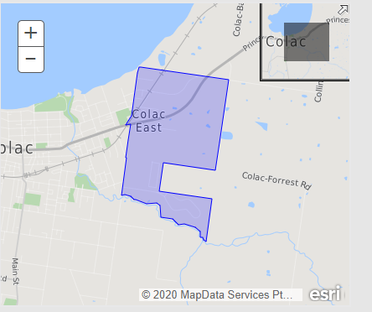
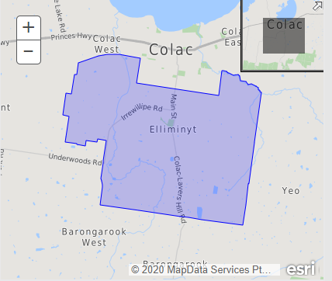
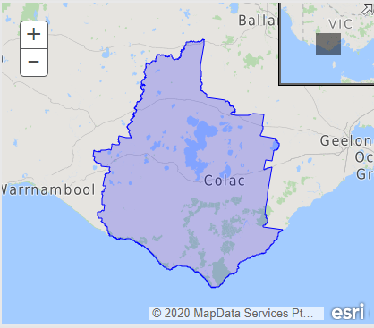
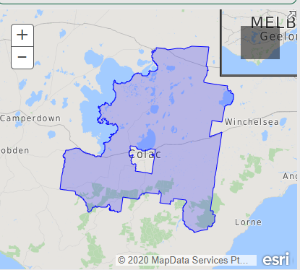
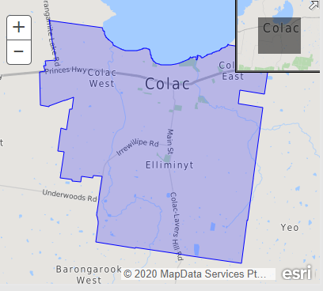

 |  |  | Electricity Benchmarks (2017-18), Australia Energy Regulator
 |  |  | Victoria
 |  |  | Climate Zone 6

 |  |  |  | Autumn | Summer | Winter | Spring | Total
 |  |  |  | kWh/ season | kWh/ season | kWh/ season | kWh/ season | kWh /year
 |  |  | 1 Person Household | 737 | 671 | 958 | 720 | 3086
 |  |  | 2 Person Household | 1077 | 1031 | 1340 | 1078 | 4526
 |  |  | 3 Person Household | 1253 | 1176 | 1615 | 1218 | 5262
 |  |  | 4 Person Household | 1402 | 1304 | 1738 | 1338 | 5782
 |  |  | 5+ Person Household | 1508 | 1421 | 1911 | 1465 | 6305

 |  |  | Note: 1) AER only considered household person size irrespective of our methodology which is based on number of persons, occupancy rate and average number of rooms per household. 2). Benchmarks are calclulated almost 3 years ago, so energy consumption values can vary in 2020.

